Dala Sales & Deliveries
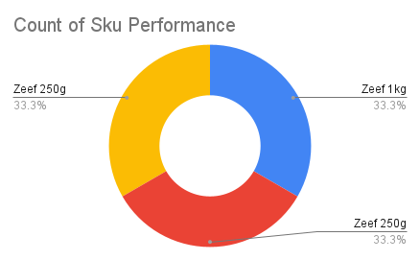
 | Total Invoices Delivered | 9.00 | Sku Performance | Units | Value
 | Unique Locations Supplied | 9.00 | Zeef 1kg Groundrice Flour (12x) | 3.25 | 171,732.56
 | Total Value of orders | 267,650.05 | Zeef 250g Blended Locust Beans (12x) | 2.00 | 84,817.49
 |  |  | Zeef 250g Locust Beans (12x) | 0.25 | 11,100.00
 |  |  |  | 0.00 | 0.00
 |  |  |  | 0.00 | 0.00
 |  |  |  | 0.00 | 0.00
 |  |  |  | 0.00 | 0.00
 |  |  |  | 0.00 | 0.00
 |  |  |  | 0.00 | 0.00
 |  |  |  | 0.00 | 0.00
2025-04-11 |  |  |  | 0.00 | 0.00
 |  |  |  | 0.00 | 0.00

